CashFlow
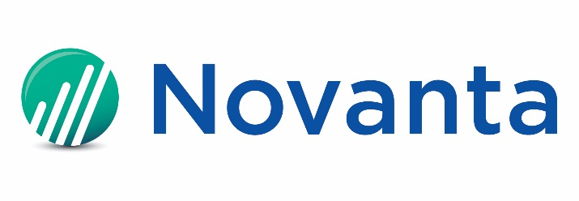

Consolidated Statements of Cash Flows
(in thousands of U.S. dollars)
(Unaudited)

 | Three Months Ended
 |  | 2021-12-31 | 2022-04-01 | 2022-07-01 | 2022-09-30 | 2022-12-31 | 2023-03-31 | 2023-06-30 | 2023-09-29

Cash flows from operating activities:
Consolidated net income |  | $13,754 | $18,820 | $17,479 | $22,490 | $15,262 | $18,265 | $20,879 | $21,223
Adjustments to reconcile consolidated net income to net cash provided by operating activities:
Depreciation and amortization |  | 12,781 | 14,044 | 13,811 | 13,143 | 12,159 | 11,731 | 11,937 | 11,397
Share-based compensation |  | 5,437 | 6,774 | 5,081 | 5,954 | 5,299 | 6,466 | 5,875 | 6,037
Deferred income taxes |  | (881) | (5,140) | (4,364) | (5,124) | (4,026) | (3,695) | (3,970) | (4,663)
Other |  | 1,847 | (1,014) | 3,017 | 410 | 1,441 | 2,587 | 2,085 | 4,601
Changes in assets and liabilities which (used)/provided cash, excluding effects from business acquisitions:
Accounts receivable |  | (3,897) | (8,949) | (8,678) | (16,817) | 11,198 | (2,920) | (3,644) | 193
Inventories |  | (7,135) | (14,928) | (18,581) | (13,043) | (1,995) | 52 | 1,125 | 4,442
Other operating assets and liabilities |  | 6,807 | 1,740 | 16,296 | 7,746 | 1,274 | (22,241) | (8,090) | 1,411
Net cash provided by operating activities |  | 28,713 | 11,347 | 24,061 | 14,759 | 40,612 | 10,245 | 26,197 | 44,641
Cash flows from investing activities:
Purchases of property, plant and equipment |  | (5,217) | (6,308) | (5,795) | (3,282) | (4,258) | (3,620) | (3,326) | (6,795)
Acquisition of businesses, net of cash acquired and working capital adjustments |  | 453 | 820 | - | (22,385) | - | - | - | -
Payment of contingent consideration related to acquisition of technology assets |  | - | (1,470) | - | - | - | - | - | -
Other investing activities |  | 200 | 137 | - | - | - | - | - | -
Net cash used in investing activities |  | (4,564) | (6,821) | (5,795) | (25,667) | (4,258) | (3,620) | (3,326) | (6,795)
Cash flows from financing activities:
Borrowings under revolving credit facilities |  | - | - | - | 69,941 | - | - | - | -
Repayments under term loan and revolving credit facilities |  | (8,345) | (11,640) | (1,193) | (24,958) | (21,238) | (15,309) | (15,189) | (51,549)
Payments of debt issuance costs |  | - | - | (359) | - | - | - | - | -
Repurchase of common shares |  | - | - | (10,000) | - | - | - | - | -
Payments of withholding taxes from share-based awards |  | (159) | (7,733) | (1,744) | (149) | - | (9,601) | (407) | (163)
Payments of deferred and escrowed purchase price related to acquisitions |  | - | - | - | - | - | - | - | -
Payments of contingent consideration related to acquisitions |  | - | - | - | (45,879) | - | - | - | (81)
Purchase of building under finance lease |  | - | - | - | - | - | - | - | -
Other financing activities |  | (1,033) | (2,656) | (148) | (151) | (2,247) | (156) | (157) | (171)
Net cash provided by (used in) financing activities |  | (9,537) | (22,029) | (13,444) | (1,196) | (23,485) | (25,066) | (15,753) | (51,964)
Effect of exchange rates on cash and cash equivalents |  | 386 | (1,085) | (3,138) | (3,805) | 2,656 | 1,012 | 1,536 | (1,251)
Increase (decrease) in cash and cash equivalents |  | 14,998 | (18,588) | 1,684 | (15,909) | 15,525 | (17,429) | 8,654 | (15,369)
Cash and cash equivalents, beginning of period |  | 102,395 | 117,393 | 98,805 | 100,489 | 84,580 | 100,105 | 82,676 | 91,330
Cash and cash equivalents, end of period | $- | $117,393 | $98,805 | $100,489 | $84,580 | $100,105 | $82,676 | $91,330 | $75,961

Free Cash Flow (Non-GAAP):

Cash Provided by Operating Activities (GAAP) |  | $28,713 | $11,347 | $24,061 | $14,759 | $40,612 | $10,245 | $26,197 | $44,641
Less: Purchases of property, plant and equipment |  | (5,217) | (6,308) | (5,795) | (3,282) | (4,258) | (3,620) | (3,326) | (6,795)
Plus: Proceeds from sale of property, plant and equipment |  | 200 | 137 | - | - | - | - | - | -
Free Cash Flow (Non-GAAP) |  | $23,696 | $5,176 | $18,266 | $11,477 | $36,354 | $6,625 | $22,871 | $37,846

